Data Analysis
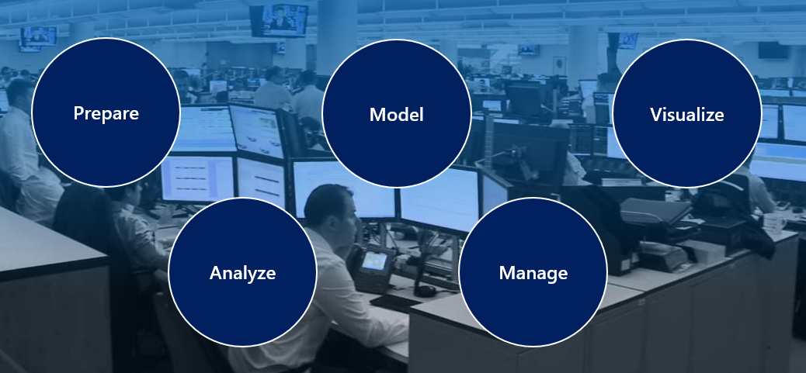
 |  |  | Tasks of a data analyst
 |  |  | 1 | Prepare
 |  |  | 2 | Model
 |  |  | 3 | Analyze
 |  |  | 4 | Visualize
 |  |  | 5 | Manage

 | Building blocks of Power BI
1 | Visualizations | visual representation of data
2 | Datasets | collection of data that Power BI uses to create its visualizations.
3 | Reports | collection of visualizations that appear together on one or more pages.
4 | Dashboards | selected group of visuals that provide quick insight into the data or story, often called a canvas
5 | Tiles | the rectangular box that holds an individual visual.

basic building blocks in Power BI:

Visualizations – Visual representations of data, sometimes just called visuals
Datasets – Collections of data that Power BI uses to create visualizations
Reports – Collections of visuals from a dataset, spanning one or more pages
Dashboards – Single-page collections of visuals built from reports
Tiles – Single visualizations on reports or dashboards

